3M Home Page
Verification statement
Community engagement
Financial performance
Employee health & safety
Environmental
 | Metric summary
 | Values on all tabs reflect calendar years which is the same as 3M fiscal years. Where attainable and justified, metrics are rounded to three significant figures except percentages and dollar values which are rounded to the nearest tenth. Some totaled metrics may not match metrics summed together after represented as three significant figures. Restatements are made when changes are + or - 5% of the original datapoint. Please see the "Glossary" tab for additional data collection information. For additional details about data collection, adjustments, and verification see "About report" section of the Global Impact Report.

Suppliers
Glossary
 | Version
 | 1: Released 6/16/2025
 | 2. V2 released 6/25/2025. Corrected recordable incident rate to match assurance statement.
 | 3. V3 released 9/18/2025. Corrected SBTi commitment year in glossary and Scope 1 & 2 emissions indexed to sales.
©3M 2025. All Rights Reserved.

Verification statement
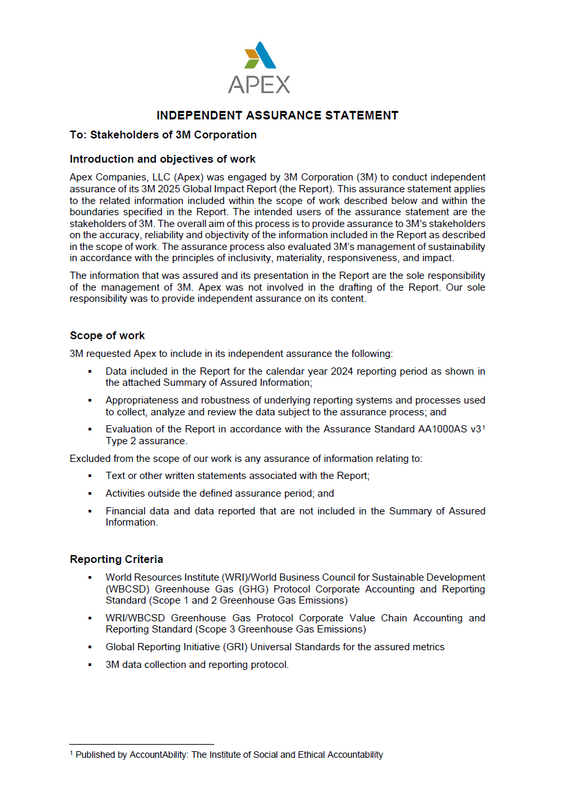

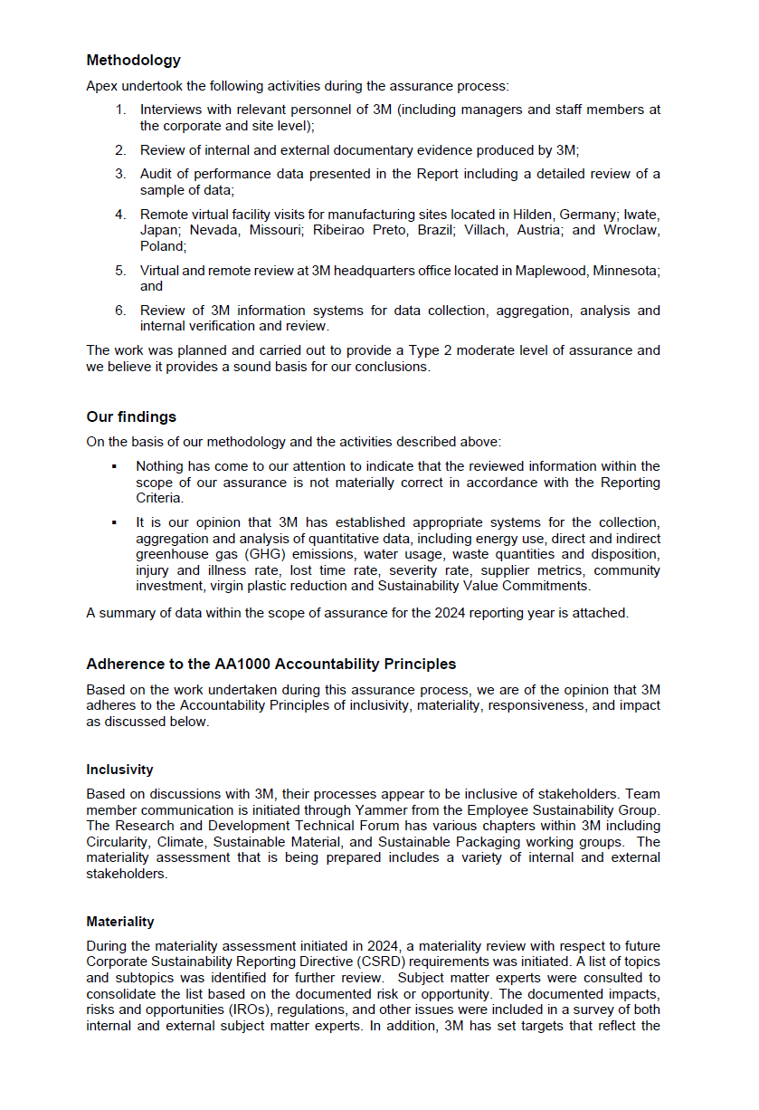

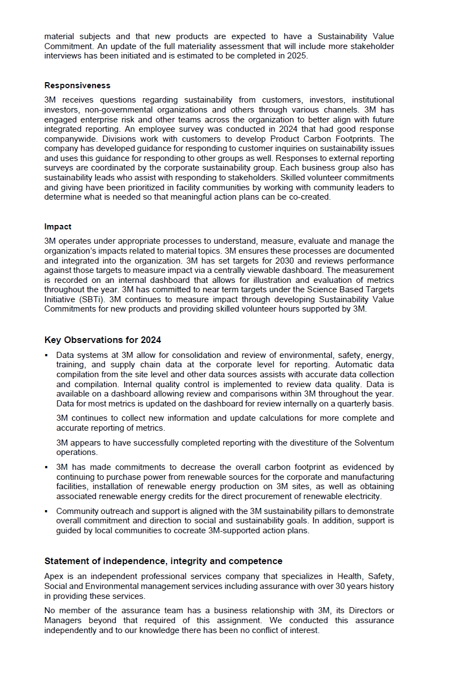

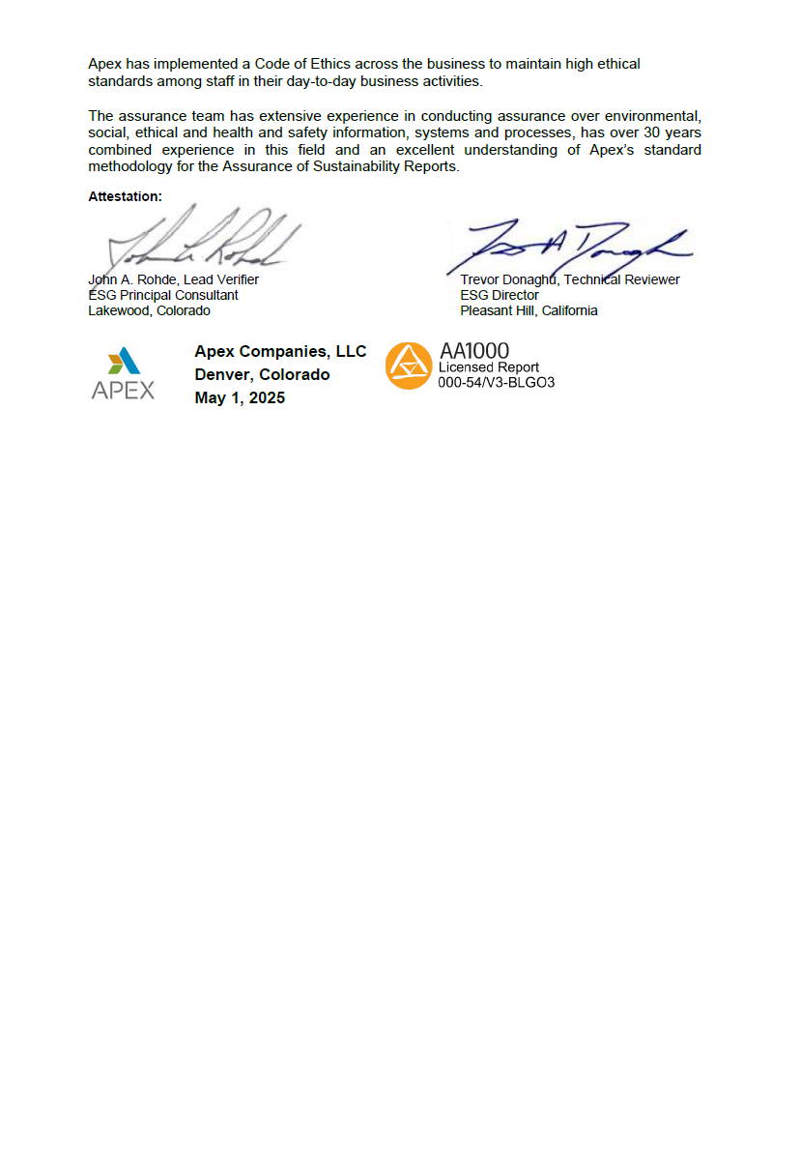

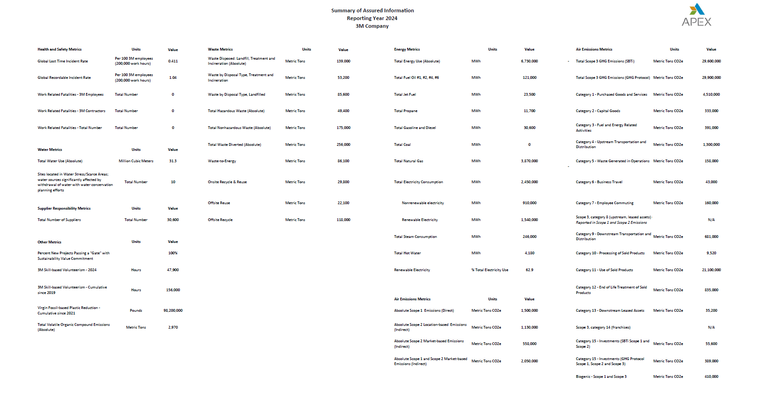

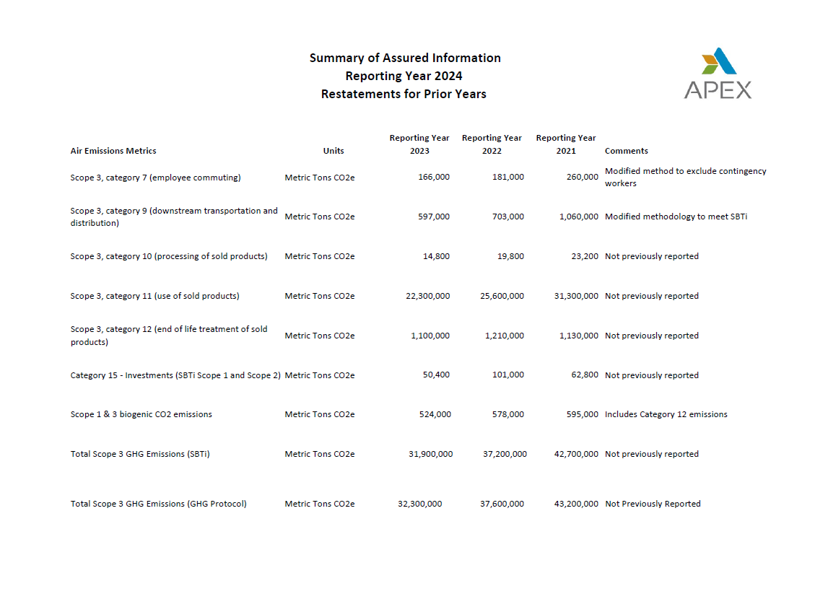

Employee health & safety
3M global and regional lost time incident rate Per 100 3M employees (200,000 work hours)
Employee health and safety
Metric | RY-2024 | RY-2023 | RY-2022 | Boundary & scope
Global lost time incident rate | 0.411 | 0.529 | 0.455 | Per 100 3M employees and contingent workers (200,000 work hours). Data may change over time due to case management processes.
Americas | 0.549 | 0.654 | 0.583
APAC | 0.047 | 0.103 | 0.110
EMEA | 0.338 | 0.476 | 0.431
Global recordable incident rate | 1.04 | 1.33 | 1.21 | Per 100 3M employees and contingent workers (200,000 work hours). Data may change over time due to case management processes.
Americas | 1.53 | 1.81 | 1.67
APAC | 0.164 | 0.236 | 0.285
EMEA | 0.520 | 0.595 | 0.693
3M global and regional recordable incident rate Per 100 3M employees (200,000 work hours)
Global recordable incident rate by category |  |  |  | Per 100 3M employees and contingent workers (200,000 work hours). Data may change over time due to case management processes.
Contact with object, equipment | 0.339 | 0.424 | 0.423
Ergonomics | 0.331 | 0.393 | 0.338
Exposure, biological agent | 0.002 | 0.005 | 0.001
Exposure, chemical | 0.043 | 0.067 | 0.058
Miscellaneous | 0.067 | 0.096 | 0.061
Noise exposure | 0.094 | 0.120 | 0.104
Physical agent exposure | 0.003 | 0.003 | 0.008
3M global incident rate by category Per 100 3M employees (200,000 work hours)
 | Global recordable incident rate by category | Contact with object, equipment | Ergonomics | Exposure, biological agent | Exposure, chemical | Miscellaneous | Noise exposure | Physical agent exposure | Slip, trip, fall | Transportation accident
RY-2024 |  | 0.339 | 0.331 | 0.002 | 0.043 | 0.067 | 0.094 | 0.003 | 0.171 | 0.010
RY-2023 |  | 0.424 | 0.393 | 0.005 | 0.067 | 0.096 | 0.120 | 0.003 | 0.210 | 0.011
RY-2022 |  | 0.423 | 0.338 | 0.001 | 0.058 | 0.061 | 0.104 | 0.008 | 0.195 | 0.018
Slip, trip, fall | 0.171 | 0.210 | 0.195
Transportation accident | 0.010 | 0.011 | 0.018
Total work related fatalities | 0 | 1 | 2
3M employees | 0 | 1 | 1
3M contract employees | 0 | 0 | 1
©3M 2025. All Rights Reserved.

Environmental
Environmental performance
Sustainability Value Commitment – metric | RY-2024 | RY-2023 | RY-2022 | Boundary & scope
% new project passing a 'gate' with a Sustainability Value Commitment | 100 | 100 | 100 | Target was established in 2019

Plastics reduction - metric | RY-2024 | RY-2023 | RY-2022 | Boundary & scope
Virgin fossil-based plastic reduction - cumulative | 98.2 | 69.9 | 45.7 | Million lbs. Target was established in 2021.
Virgin fossil-based plastic reduction | 28.3 | 24.2 | 26.8 | Million lbs.

Greenhouse gas - metric | RY-2024 | RY-2023 | RY-2022 | Boundary & scope
All metrics below are in metric tons CO2e unless otherwise described in the Boundary & scope
Scope 1, 2, and 3 emissions | 32,000,000 | 35,200,000 | 40,700,000
Scope 1, 2, and 3 emissions indexed to sales | 1,300 | 1,430 | 1,650 | Metric tons CO2e per net sales (Million $USD).
Scope 1 and 2 market-based emissions | 2,050,000 | 2,910,000 | 3,140,000
% reduction scope 1 and scope 2 market-based emissions | 59.1% | 41.9% | 37.3% | Base year 2019, 5,010,000 metric tons CO2e. Aligned with GHG Protocol and SBTi.
Scope 3 emissions (SBTi) | 29,600,000 | 31,900,000 | 37,200,000
% reduction scope 3 emissions | 30.7% | 25.3% | 12.9% | Base year 2021, 42,700,000 metric tons CO2e .
Scope 3 emissions (GHG Protocol) | 29,900,000 | 32,300,000 | 37,600,000
% reduction scope 3 emissions | 30.8% | 25.2% | 13.0% | Base year year 2021, 43,200,000 metric tons CO2e.
Total scope 3 emissions (upstream) | 6,900,000 | 7,770,000 | 9,470,000 | Includes scope 3 categories 1 through 7.
Total scope 3 emissions (downstream) | 23,000,000 | 24,500,000 | 28,100,000 | Includes scope 3 category 9 through 15.
Scope 1 emissions (direct) | 1,500,000 | 2,280,000 | 2,380,000
Scope 2 location-based emissions (indirect) | 1,130,000 | 1,170,000 | 1,290,000 | Results include GHG emissions not reported under the Kyoto Protocol. Non-Kyoto Protocol emissions are less than 2.5% of totals.
Scope 2 market-based emissions (indirect) | 558,000 | 631,000 | 757,000
Scope 1 & scope 2 market-based emissions indexed to sales | 83.3 | 118 | 128 | Metric tons CO2e per net sales (Million $USD).
Scope 3, category 1 (purchased goods and services) | 4,510,000 | 5,380,000 | 6,650,000 | In 2022, methodology changed to account for inflationary impacts to the US EPA EEIO emission factors used. 2021 base year were recalculated based on this change.
Scope 3, category 2 (capital goods) | 333,000 | 340,000 | 392,000 | In 2022, methodology changed to account for inflationary impacts to the US EPA EEIO emission factors used. 2021 base year were recalculated based on this change.
Scope 3, category 3 (fuel and energy related activities) | 391,000 | 407,000 | 444,000 | Calculated from 3M primary data on energy consumption.
Scope 3, category 4 (upstream transportation and distribution) | 1,300,000 | 1,270,000 | 1,670,000 | Does not include emissions from transportation of raw materials from suppliers. In 2022, methodology changed to improve data quality and accuracy. 2021 base year were recalculated based on this change.
Scope 3, category 5 (waste generated in operations) | 158,000 | 164,000 | 187,000 | Calculated from 3M primary data on waste by facility size or number of employees. The Cottage Grove Incinerator was closed at the end of 2021, resulting in a transfer of emissions from those waste streams from the scope 1 to scope 3 boundary. 2021 base year have not yet been recalculated to account for this shift in emissions.
Scope 3, category 6 (business travel) | 43,000 | 27,200 | 25,600 | Calculated from 3M primary data on business travel. In 2022, boundary was expanded to include personal car mileage traveled for business purposes. 2021 base year were recalculated based on this change.
Scope 3, category 7 (employee commuting) | 160,000 | 166,000 | 181,000 | In 2022, boundary was expanded to include contingent workers regularly reporting to a 3M location. 2021 base year were recalculated based on this change. Remote work practices were incorporated into the methodology beginning in 2022.
Scope 3, category 8 (upstream, leased assets) | -- | -- | -- | These emissions are included in scope 1 and 2, because they are all under 3M operational control.
Scope 3, category 9 (downstream transportation and distribution) | 681,000 | 597,000 | 703,000 | Methodology developed in 2019. See the Climate section in the Global Impact Report for more information. In 2022, methodology changed to improve data quality and accuracy. 2021 base year were recalculated based on this change.
Scope 3, category 10 (processing of sold products) | 9,520 | 14,800 | 19,800 | Calculated from sales quantity data and emission models based on recommended use scenarios.
Indexed volatile organic compounds emissions Metric tons per net sales (million $USD)
Scope 3, category 11 (use of sold products) | 21,100,000 | 22,300,000 | 25,600,000 | Calculated from sales quantity data and emission models based on recommended use scenarios.
Scope 3, category 12 (end of life treatment of sold products) | 835,000 | 1,100,000 | 1,210,000 | Calculated from estimated mass balance and disposal methods globally.
Scope 3, category 13 (downstream leased assets) | 35,200 | 55,400 | 61,500 | Reflects 3M's leased assets with Solventum and other similar companies.
Scope 3, category 14 (franchises) | -- | -- | -- | No franchises under this scope of boundary.
Scope 3, category 15 (investments) | 55,600 | 50,400 | 101,000 | Aligned with SBTi. Not in accordance with World Resources Institute (WRI)/World Business Council for Sustainable Development (WBCSD) Corporate Value Chain (scope 3) Accounting and Reporting Standard.
Scope 3, category 15 (investments) | 389,000 | 400,000 | 518,000 | Aligned with GHG Protocol.
Global energy use MWh
Scope 1 and 3 biogenic CO2 emissions | 410,000 | 524,000 | 578,000
Scope 1 biogenic CO2 emissions | 288 | 237 | 294
Scope 3 biogenic CO2 emissions | 410,000 | 524,000 | 578,000
The data reported is in accordance to the World Resources Institute (WRI)/World Business Council for Sustainable Development (WBCSD) Corporate Value Chain (scope 3) Accounting and Reporting Standard unless otherwise specified.
Estimated scope 3 data uncertainty is ±50% (WRI/WBCSD, GHG Protocol Corporate Value Chain (scope 3) Accounting and Reporting Standard, 2011).
Scope of boundary for the GHG metric is determined using the control approach to GHG emissions accounting as defined in the GHG Protocol Corporate Reporting and Accounting Standard. Additional information can be found in the about report section.

Air emissions - metric | RY-2024 | RY-2023 | RY-2022 | Boundary & scope
Total volatile organic compound emissions (absolute) | 2,970 | 3,120 | 3,200 | Metric tons.
Total volatile organic compounds emissions indexed to net sales | 0.120 | 0.127 | 0.122 | Metric tons per net sales (Million $USD).

Indexed global energy use MWh per net sales (million $USD)
Energy - metric | RY-2024 | RY-2023 | RY-2022 | Boundary & scope
All metrics below are in MWh unless otherwise described in the Boundary & scope
Total energy use (absolute) | 6,730,000 | 6,790,000 | 7,450,000
Natural gas | 3,870,000 | 3,820,000 | 4,130,000
Electricity consumption | 2,450,000 | 2,530,000 | 2,820,000
Nonrenewable electricity | 910,000 | 1,080,000 | 1,340,000
Renewable electricity | 1,540,000 | 1,440,000 | 1,480,000
Steam consumption | 246,000 | 256,000 | 300,000
Fuel oil #1, #2, #4, #6 | 121,000 | 118,000 | 141,000
Global electricity consumption MWh
Gasoline and diesel | 30,600 | 29,800 | 32,400 | Includes vehicle and non-vehicle gasoline and diesel.
Jet fuel | 23,500 | 28,700 | 17,100
Propane | 11,700 | 9,040 | 10,000
Hot water | 4,180 | 4,320 | 1,800
Coal | 0 | 0 | 0 | 3M does not use coal in its operations.
Total energy use indexed to net sales | 274 | 276 | 284 | MWh per net sales (Million $USD).
% renewable electricity | 62.9 | 57.1 | 52.4 | As % of total electricity consumption. Base year year 2015.
Total heating consumption | 4,260,000 | 4,210,000 | 4,590,000 | Includes gasoline and diesel (non-vehicle), fuel oil #1, #2, #6, natural gas, propane, steam, and hot water.
Global waste by type Metric tons
Scope of boundary for the energy metric includes 3M manufacturing locations and other locations larger than 30,000 square feet. Additional scope information can be found in the Glossary tab.

Waste - metric | RY-2024 | RY-2023 | RY-2022 | Boundary & scope
All metrics below are in metric tons unless otherwise described in the Boundary & scope
Total waste | 395,000 | 373,000 | 422,000 | Includes waste disposed and waste diverted.
Waste disposed | 139,000 | 141,000 | 166,000 | Includes incineration, treatment, and landfilled waste only.
Incineration and treatment | 53,200 | 58,900 | 64,700
Global waste disposed by type Metric tons
Landfill | 85,600 | 81,600 | 101,000
Waste diverted | 256,000 | 232,000 | 257,000 | Includes onsite recycle and reuse, offsite reuse, offsite recycle, and waste-to-energy.
Onsite recycle and reuse | 29,800 | 30,500 | 42,200 | Does not include onsite recycle and reuse from 3M's industrial mineral product (IMP) division.
Offsite reuse | 22,100 | 26,000 | 29,200 | Does not include offsite reuse from 3M's industrial mineral product (IMP) division.
Offsite recycle | 118,000 | 105,000 | 111,000 | Does not include offsite recycle from 3M's industrial mineral product (IMP) division.
Waste-to-energy | 86,100 | 70,500 | 74,400
Global waste diverted by type Metric tons
Hazardous waste | 49,400 | 53,500 | 54,800 | Includes waste-to-energy, incineration and treatment, and landfilled waste.
Nonhazardous waste | 175,000 | 158,000 | 185,000 | Includes waste-to-energy, incineration and treatment, and landfilled waste.
Deep well injection | -- | -- | -- | Per 3M's Waste Management Program Standard, deep well injection is not acceptable waste.
Scope of boundary for the waste metric includes 3M manufacturing locations with total output over 4.54 metric tons per year (10,000 pounds). Additional scope information can be found in the Glossary tab.

Global water usage Million cubic meters
Water - metric | RY-2024 | RY-2023 | RY-2022 | Boundary & scope
All metrics below are in million cubic meters unless otherwise described in the Boundary & scope
Total water use (absolute) | 31.3 | 32.5 | 35.2
% increase in water efficiency | 21.4 | 18.3 | 11.6 | Absolute. Base year 2019, 39.8 million cubic meters.
Sites located in a water stress/scarce areas | 10 | 12 | 13
France | 0 | 1 | 1
India | 3 | 3 | 3
Mexico | 2 | 3 | 3
Spain | 1 | 1 | 1
Thailand | 1 | 1 | 1
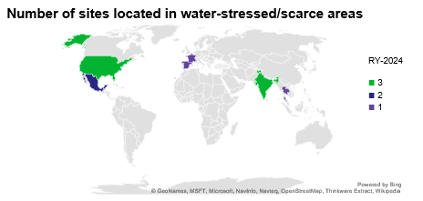
Turkey | 0 | 2 | 2
United States | 3 | 1 | 1
% of 3M's water usage at sites located within water stress/scarce areas | 1.2 | 1.3 | 1.4 | Years 2022 and 2023 utilized Aqueduct 3.0. 2024 utilized Aqueduct 4.0. Definitions found in the glossary.
Scope of boundary for the water metric includes 3M manufacturing locations with total output over 4.54 metric tons per year (10,000 pounds). Additional information can be found in the Glossary tab.
©3M 2025. All Rights Reserved.

Suppliers
Pulp and paper supply chain traceability Percentage by spend
 | Traceable to forest source or 100% recycled | Traceable to pulp mill | Traceable to paper mill | Not yet engaged or traceable
RY-2024
RY-2023 | 86.4% | 0.7% | 2.9% | 10.1%
RY-2022 | 85.8% | 1.5% | 3.2% | 9.6%
Supplier responsibility
Metric | RY-2024 | RY-2023 | RY-2022 | Boundary & scope
Total number of suppliers | 30,600 | -- | -- | New methodology developed in 2024 to improve the measure of primary suppliers. Previous year metrics are not comparable.
Total number of supplier countries and regions | 91 | 103 | 111
Pulp and paper supply chain traceability |  |  |  | Percentage by spend. For additional information, please see 3M Sustainable Forestry.
Traceable to forest source or 100% recycled |  | 86.4% | 85.8%
Traceable to pulp mill |  | 0.7% | 1.5% | % of spend with visibility only to pulp and paper mills.
Traceable to paper mill |  | 2.9% | 3.2% | % of spend with visibility only to paper mills.
Not yet engaged or traceable |  | 10.1% | 9.6%
Conflict mineral supply chain traceability |  |  |  | Based on Responsible Minerals Assurance Process (RMAP). For 2024 metrics see 3M's annual report.
RMAP conformant |  | 64.5% | 64.8%
RMAP active |  | 1.4% | 2.6%
Conflict mineral supply chain traceability
 | Non-conformant | RMAP not enrolled | RMAP active | RMAP conformant
RY-2024
RY-2023 | 8.3% | 25.8% | 1.4% | 64.5%
RY-2022 | 6.9% | 25.7% | 2.6% | 64.8%
RMAP not enrolled |  | 25.8% | 25.7%
Non-conformant |  | 8.3% | 6.9%
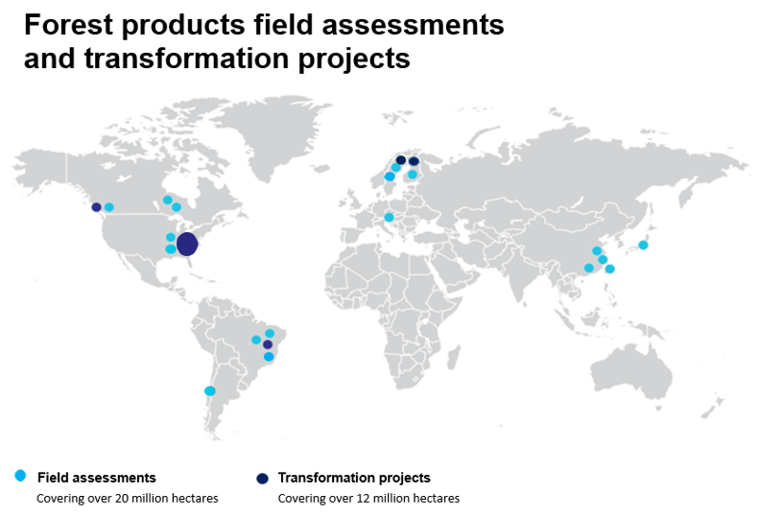
©3M 2025. All Rights Reserved.

Map reflects current and past field assessments and transformation projects in countries where we currently source fiber.

